Construction
Construction

Aluminium
Type | Price | Modulus of elasticity | Ten. Strength (max) | Hardmess (max) | Corrosion resistance | Density | Weldability | Melting temp | Other elements (max)

Al 6000 series
Al 6060 | 2.4 €/kg | 70 GPa | 195 MPa | 65 HB | High | 2.70 g/cm^3 | Mig, Tig, Gas | 610 °C | Si(0.6%), Fe(0.3%), Cu(1.1%), Mn(0.1%), Mg(0.6%), Cr(0.05%), Zn(0.15%), Ti(0.1%)
Al 6082 | 2.4 €/kg | 70 GPa | 310 MPa | 95 HB | High | 2.70 g/cm^3 | Mig, Tig, Gas | 555 °C | Si(1.3%), Fe(0.5%), Cu(0.1%) ,Mn(1%), Mg(1.2%), Cr(0.25%), Zn(0.20%), Ti(0.1%)

Al 7000 series
Al 7003 | 1.0-3.8 €/kg | 70 GPa | 310 MPa | 95 HB | Average | 2.80 g/cm^3 | Mig, Tig, Gas | 650 °C | Si(0.3%), Fe(0.35%), Cu(0.2%), Mn(0.3%), Mg(1%), Cr(0.20%), Zn(6.5%), Ti(0.2%)
Al 7020 | 1.0-3.8 €/kg | 70 GPa | 35o MPa | 105 HB | Average | 2.80 g/cm^3 | Mig, Tig, Gas | 650 °C | Si(0.35%), Fe(0.4%), Cu(0.20%), Mn(0.50%), Mg(1.4%), Cr(0.35%), Zn(5%)

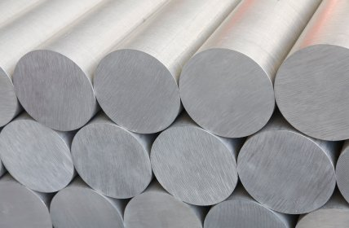
Elements impact on Aluminium properties:

Element | Corrosion resistance | Ten. Strength | Hardness
Si | Increase | None | None
Cu | Decrease | Increase | None
Mn | None | Increase | None
Mg | Increase | Increase | Increase
Zn | Decrease | Increase | Increase | Good elements Mg and Si. Bad elements: Cu, Zn

Steel
Type | Price | Modulus of elasticity | Ten. Strength (max) | Hardmess (max) | Corrosion resistance | Density | Weldability | Melting temp | Other elements (max)

S-series
S235 | 0.5-0.6 €/kg | 210 GPa | 235 MPa | 235 HB | poor | 7.90 g/cm^3 | good | 1540 °C | C(0.20%), Mn(1.40%), P(0.04%), S(0.04%), N(0.012%), Cu(0.55%)
S355 | 0.5-0.6 €/kg | 210 GPa | 355 MPa | 235 HB | poor | 7.90 g/cm^3 | good | 1540 °C | C(0.18%), Si(0.40%), Mn(1.65%), P(0.03%), S(0.025%), Cr(0.30%), Ni(0.50%), Mo(0.1%), Al(0.02%), Cu(0.35%), Nb(0.05%), Ti(0.03%), N(0.02%)

Steinless Steel
Ferritic | 1.90-3.80 €/kg | 210 GPa | 500 MPa | 157 HV | High | 7.80 g/cm^3 | good | Higer than 1540 °C | Al(0.3%), C(0.08%), Cr(14%), Mn(1%), Ni(0.5%), P(0.04%), Si(1%), S(0.03%)
Wrought iron | 1.90-3.80 €/kg | 210 GPa | 517 MPa | 158 HV | High | 8.0 g/cm^3 | good | Higer than 1540 °C | Cr(19%), Mn(10%), Ni(6%), Si(1%), N(0.25%), C(0.15%), P(0.06%), S(0.03%)

 |  |  |  | Cr increases corrosion resistance. |  | Too heavy materilas can not use.

Wood
Type | Price | Modulus of elasticity | Density | Corrosion resistance | Resin

Pine | 44 €/1 m^3 | 12.4 GPa | 0.34 g/cm^3 | Paint | a lot
Oak | 173 €/1 m^3 | 12.5 GPa | 0.56 g/cm^3 | Varnish | no
Cedar | 9400 €/1 m^3 | 8.27 GPa | 0.47 g/cm^3 | Oil | no
Teak | 29780 €/1 m^3 | 12.5 GPa | 0.63 g/cm^3 | Oil | no
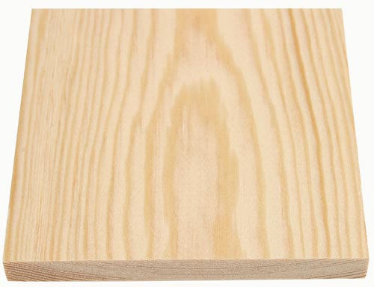
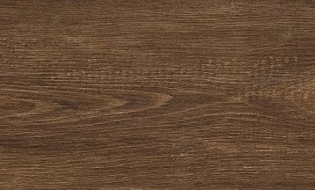
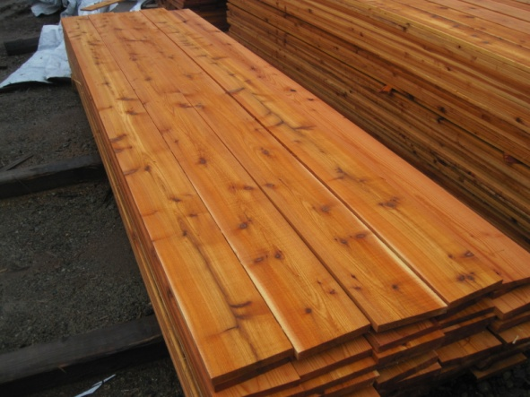
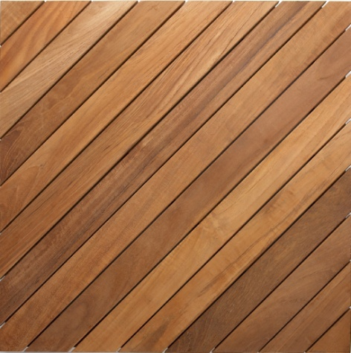

 | Pine |  | Oak

 |  |  |  |  |  | Cedar |  |  | Teak

Covering
Covering
 | Light transmission | Density | Impact stength | Drilling | Chemical resistace | Sustainability | Price
Glass | 70% | 2,5 g/cm^3 | 1 | Only with diamond drill | average | http://www.glassallianceeurope.eu/en/environment
PC | 88% | 1,2 g/cm^3 | 250 times higher than glass | No limits | high | http://www.bisphenol-a-europe.org/uploads/EN_Sustainability_180311.pdf | 12 €/m^2 (10mm)
PMMA | 93% | 1,2 g/cm^3 | 17 times higer than glass | Only with plastic drill, may crack when drilling close to edges | low | http://www.pmma-online.eu/sustainability | 7 €/m^2 (4mm)

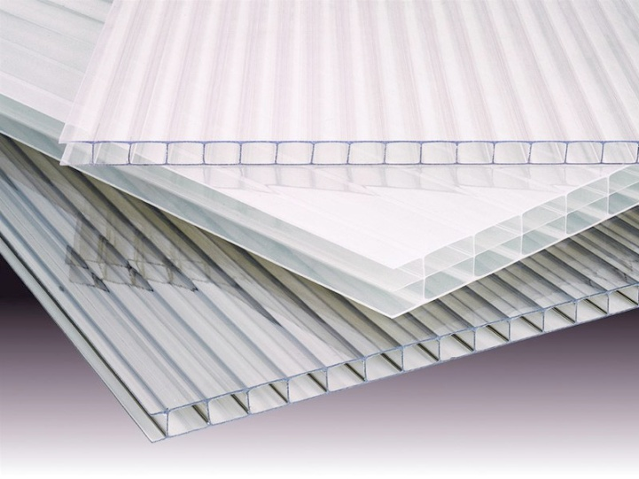
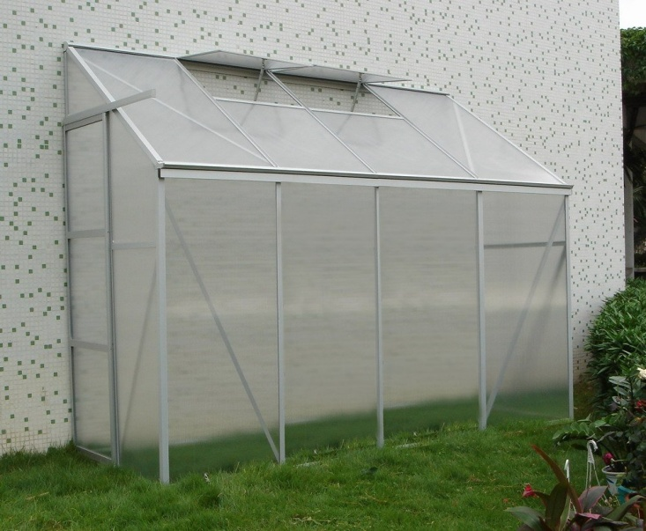

 |  |  | PC |  | PMMA

Others
Sun protection:

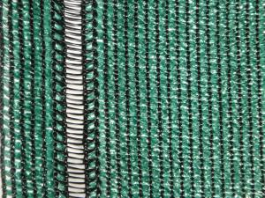

 | Price | 5 €/^2
 |  | (Blocks 50% of sunlight)

